Credits
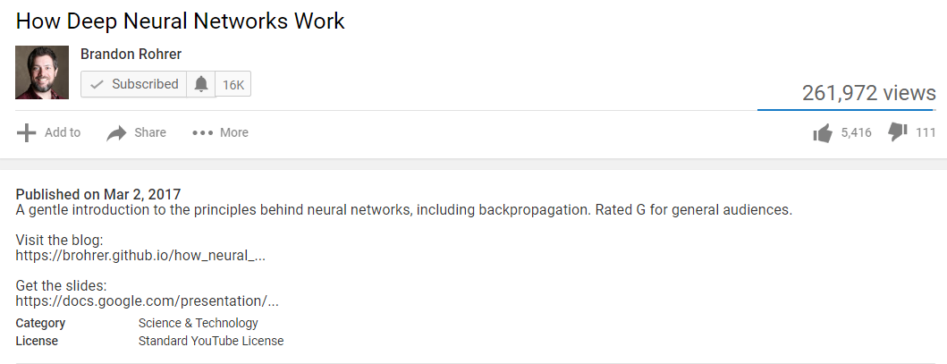
Interactive Demonstration of Neural Network

This workbook provides an interactive demonstration of neural network for basic understanding purpose for those who are just beginning to understand the concept.
Purpose of this workbook is to build Excel based visualization to demonstrate working of simple neural network
This workbook only demonstrates only part of the concepts explained in YouTube video listed below.
Created By:
Parvez Purkar

Credits:

Interactive demonstration of Neural Network presented in this workbook is based on an a presentation made by Brandon Rohrer in his YouTube video.

YouTube video URL and a YouTube author/article introduction screenshot is included for full reference.
https://www.youtube.com/watch?v=ILsA4nyG7I0

